美国
sku | image1 | image2 | price(dollars) | warehouse location | QTY（pcs) | warehouse NO. | addrress | package |  |  |  | Single product volume | Batch product volume
C264-T-BK-FH | 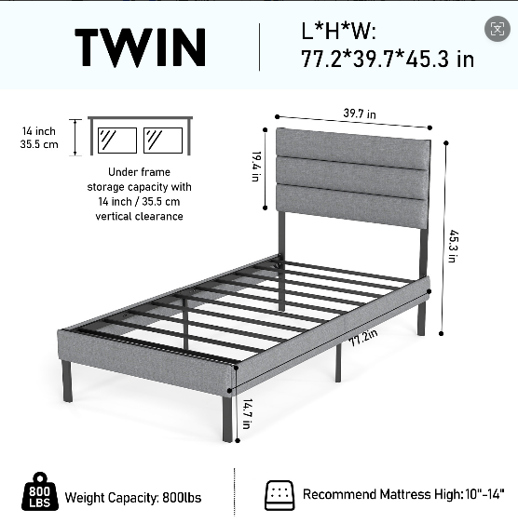 | 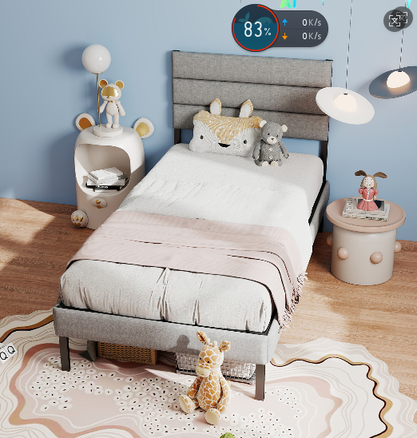 | 26 | New Jersey | 100 | WPNJ7 | 3280 US Highway 206,Bordentown,NJ,08505 | 118*38.5*15cm 重量 21.7kg | 118 | 38.5 | 15 | 0.068145 | 6.8145
C264-Q-BK-GN | 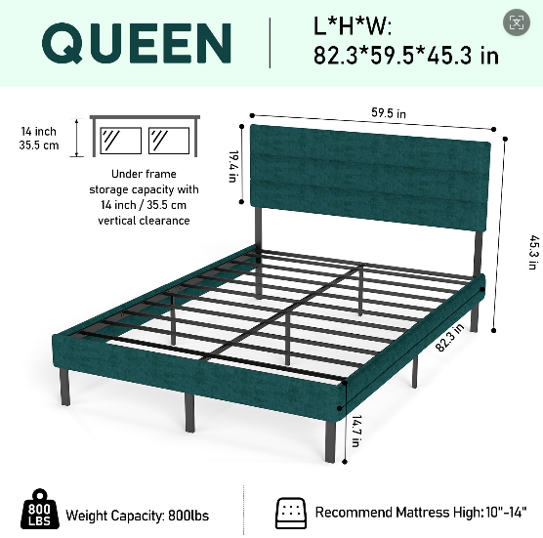 | 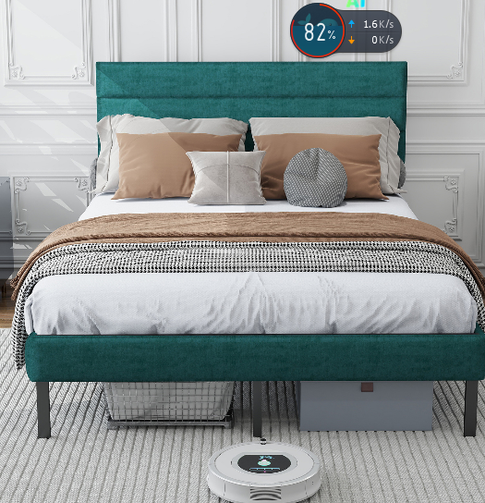 | 26 | Houston | 40 | WPHOU7 | 1770 east freeway service rd,baytown,TX,US,77521 | 154.5* 48 *13cm 重量32kg | 154.5 | 48 | 13 | 0.096408 | 3.85632
 |  |  | 26 | New York | 30 | WPPA2 | 3363 Gun Club Rd, Nazareth, PA 18064 US |  | 154.5 | 48 | 13 | 0.096408 | 2.89224
 |  |  | 26 | New Jersey | 140 | 美东4号仓(NJ4) | 401 Mill rd DOCK#3&4 Edison NJ 08837 |  | 154.5 | 48 | 13 | 0.096408 | 13.49712
C267-F-BK-WH | 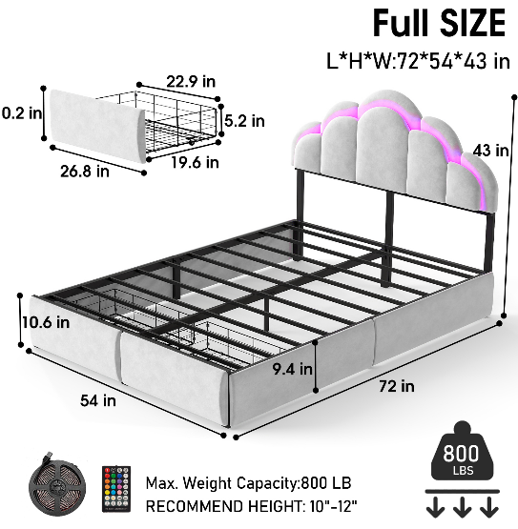 | 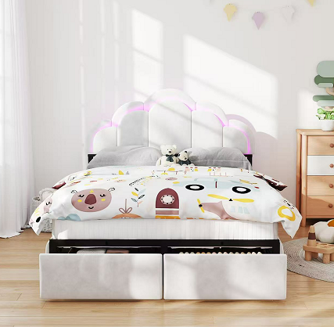 | 38 | New Jersey | 40 | WPNJ7 | 3280 US Highway 206,Bordentown,NJ,08505 | 145* 53.2* 19.5cm 重量39.68KG
C236-KE-FH | 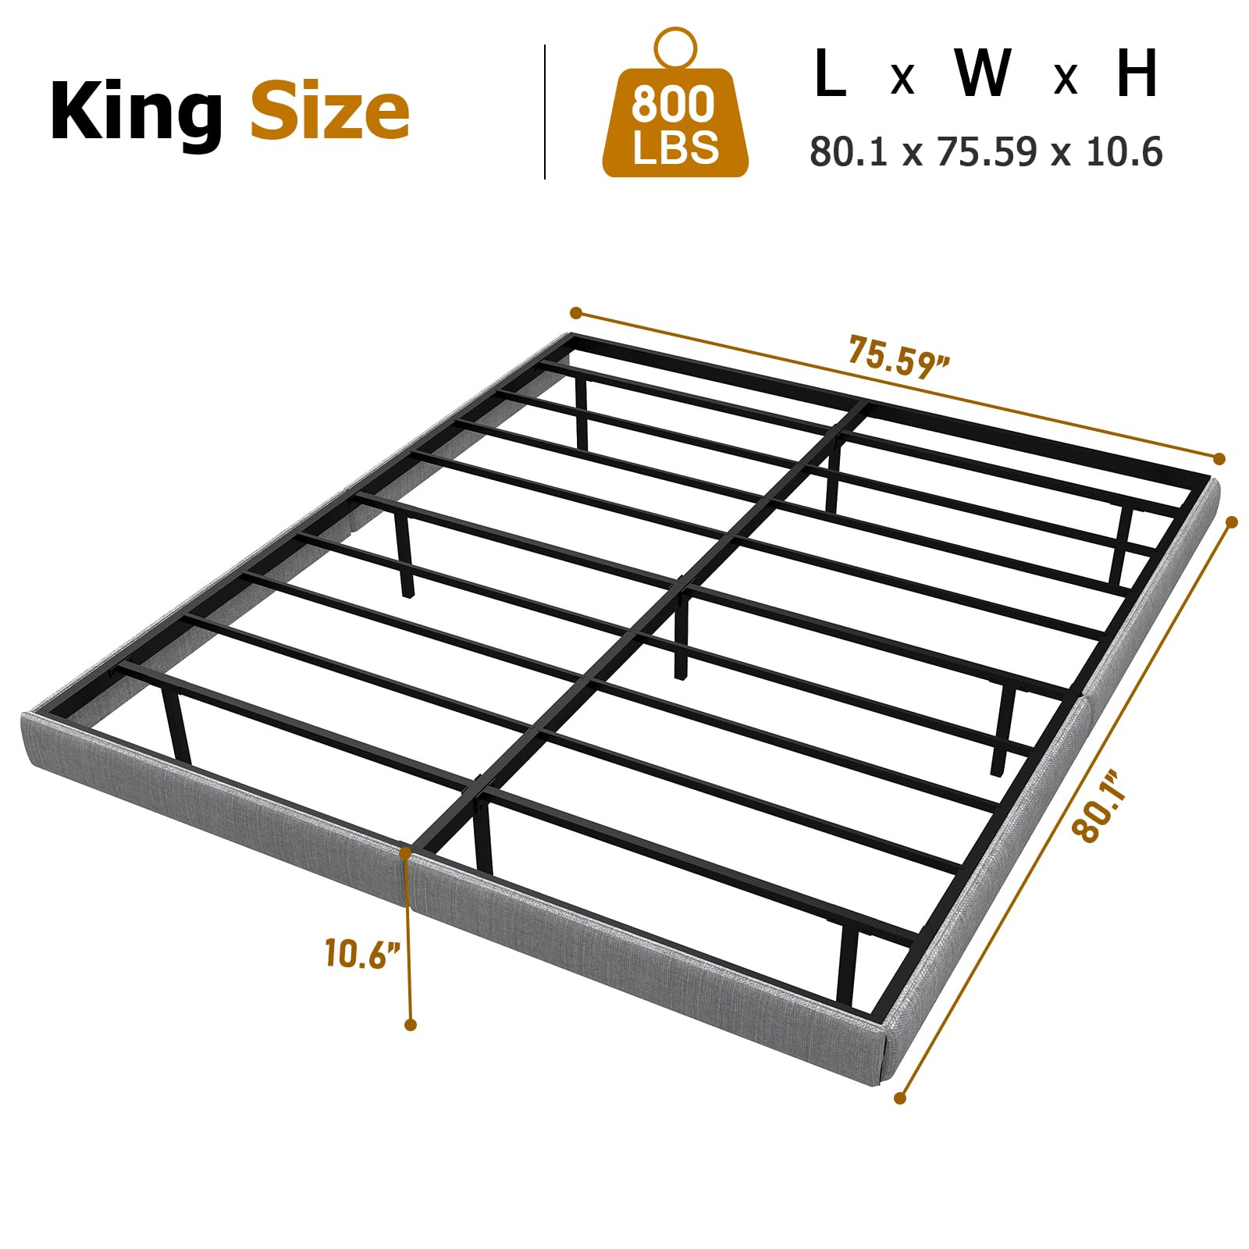 | 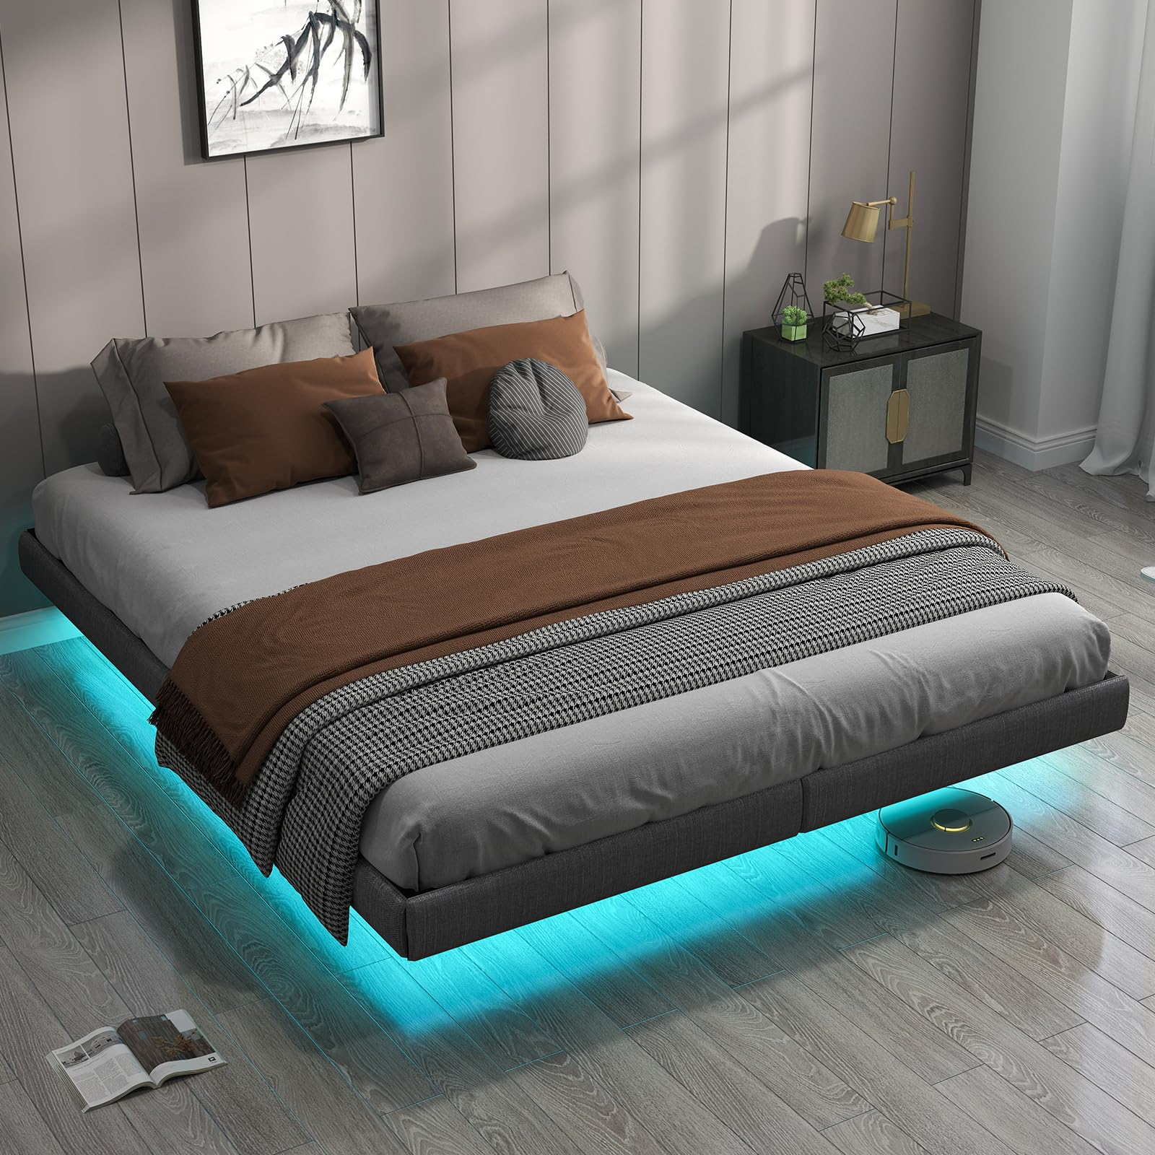 | 36 | Texas | 89 | WPHOU4 | 14402 Fallbrook Drive Cypress, Texas, 77429 United States
 |  |  | 36 | New Jersey | 145 | 美东4号仓(NJ4) | 401 Mill rd DOCK#3&4 Edison NJ 08837
C236-KF-BK-LP | 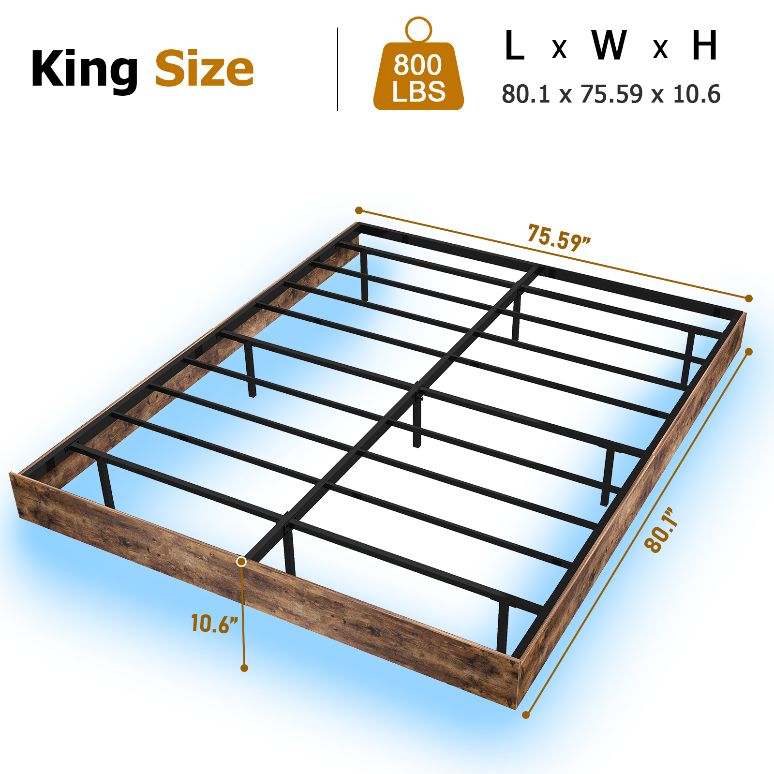 | 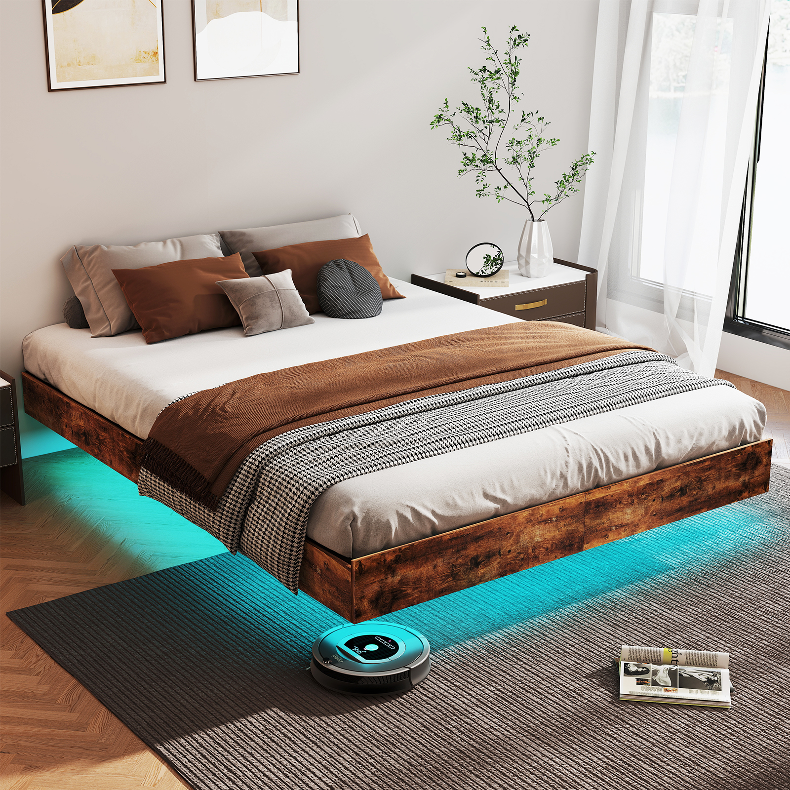 | 36 | California | 21 | 洛杉矶1号仓(LA1) | 9570 Santa Anita Ave，#B，Rancho Cucamonga，CA 91730
 |  |  | 36 | Houston | 72 | HNB_TX_US | 28501 Hwy Blvd,Katy,TX 77493
 |  |  | 36 | New Jersey | 177 | 美东4号仓(NJ4) | 401 Mill rd DOCK#3&4 Edison NJ 08837
264--F-BK-FH | 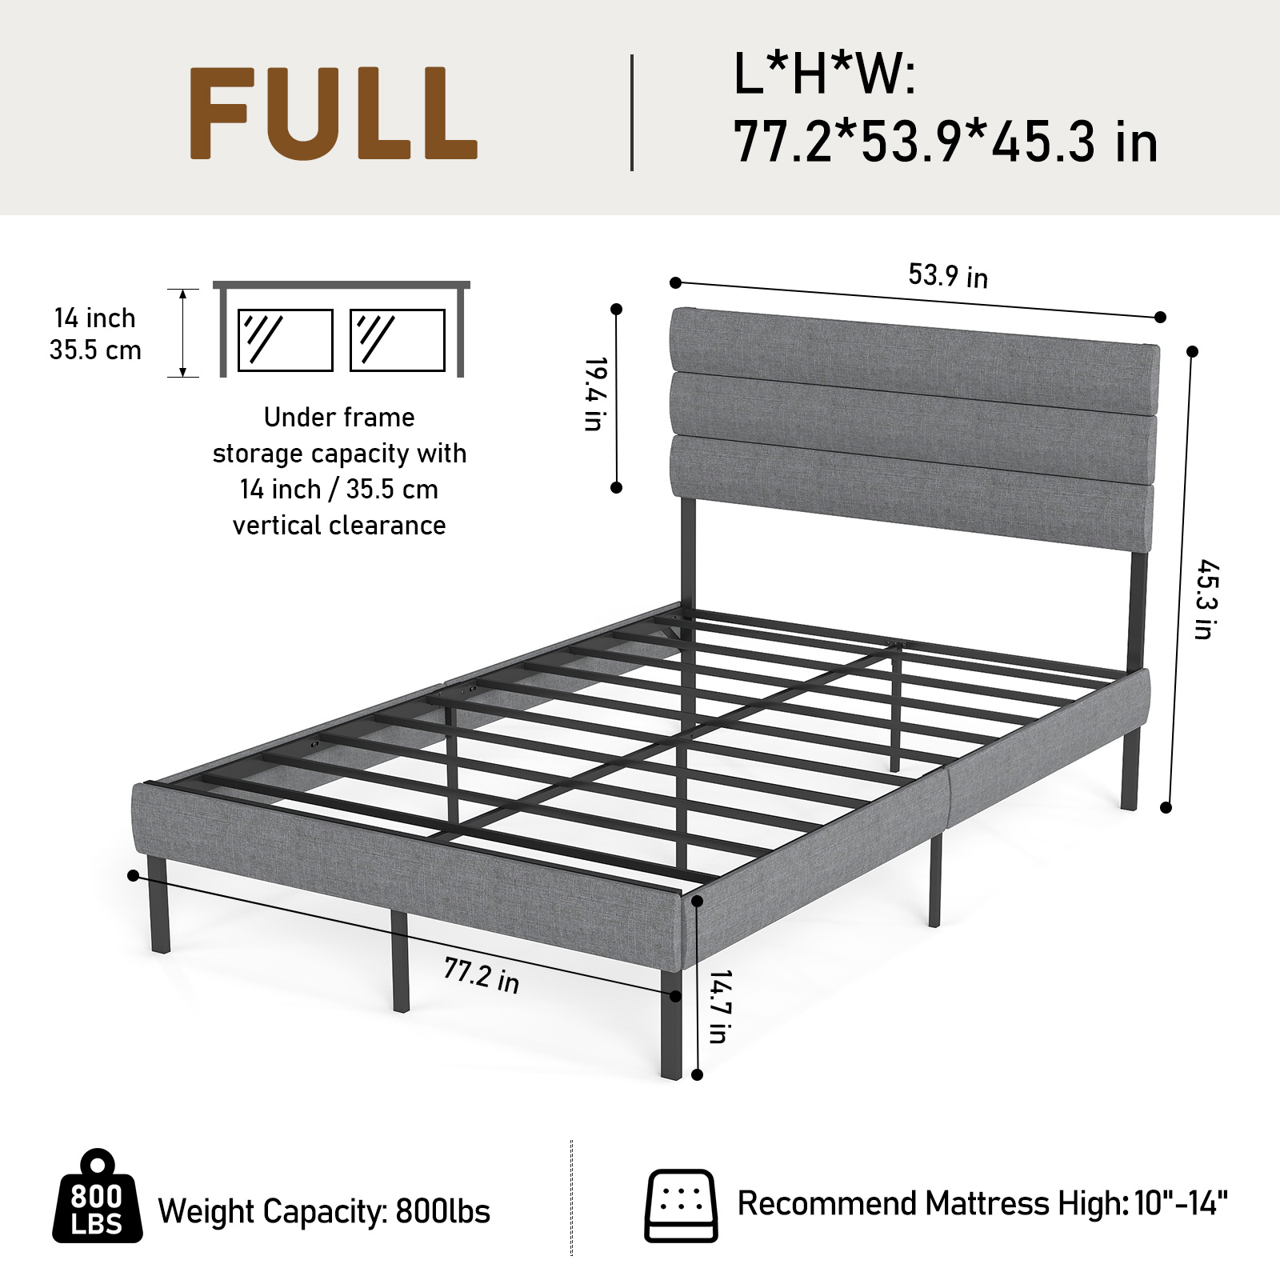 | 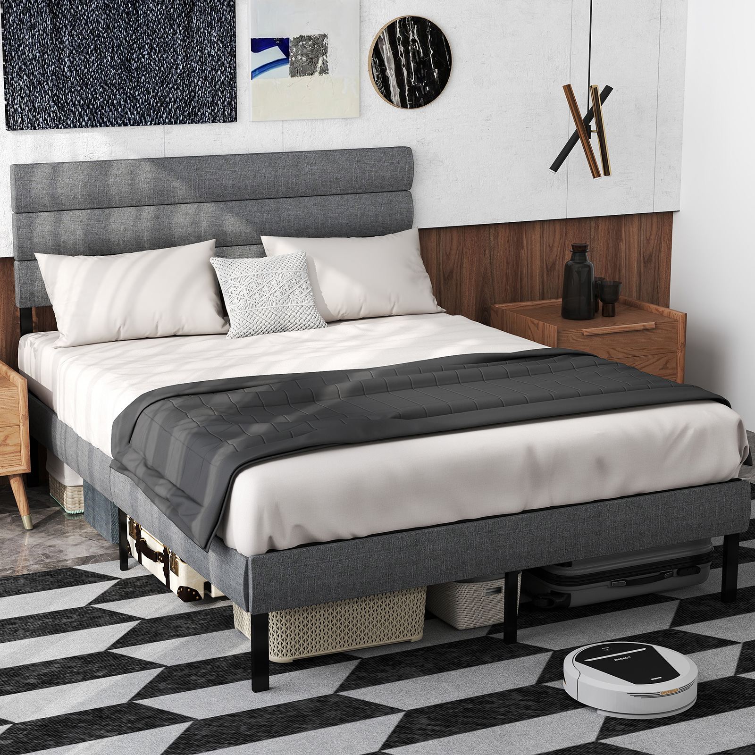 | 36 | California | 64 | BCF_CA_US | 11281 CITRUS AVE ，FONTANA，CA,92337
264-Q-BK-FH | 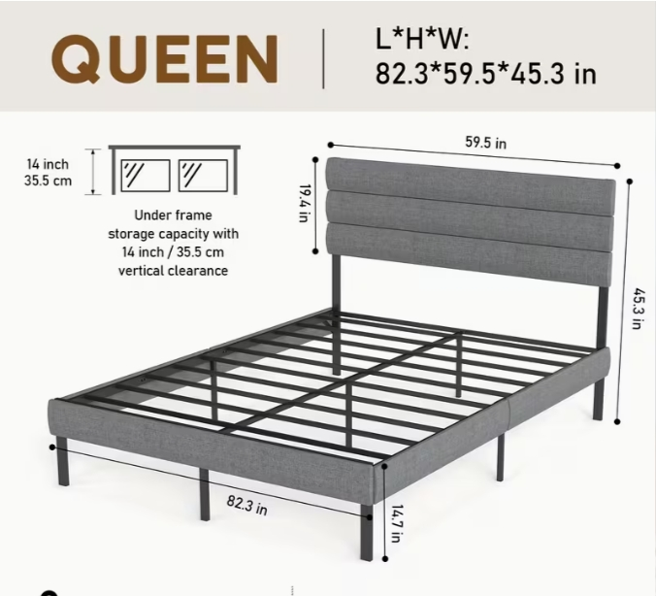 |  | 36 | California | 102 | BCF_CA_US | 11281 CITRUS AVE ，FONTANA，CA,92337
 | 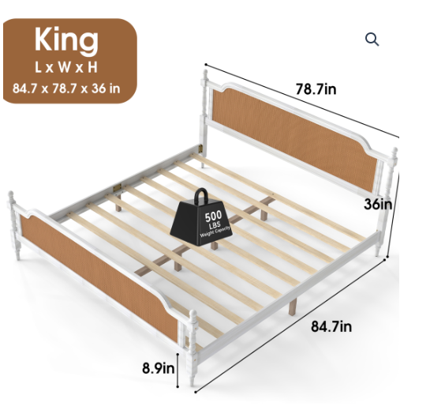 | 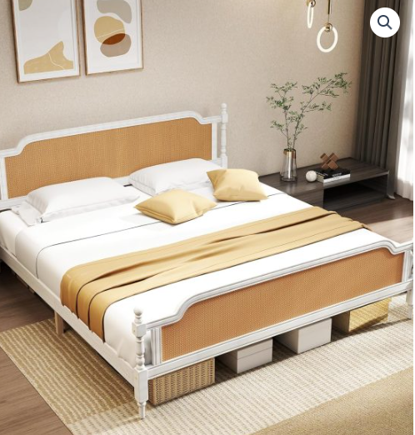 | 28 | Maryland | 74 |  | 1758 Sulphur Spring rd, Halethorpe MD 21227
LT386-362-BK-YB | 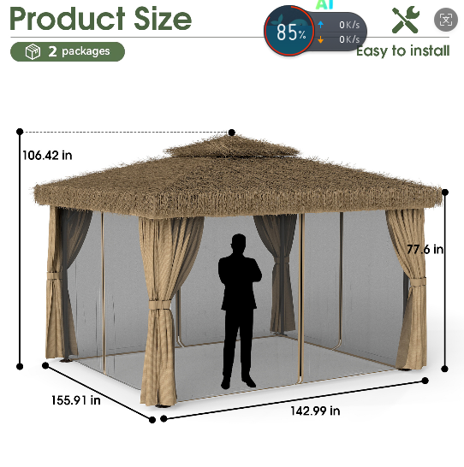 | 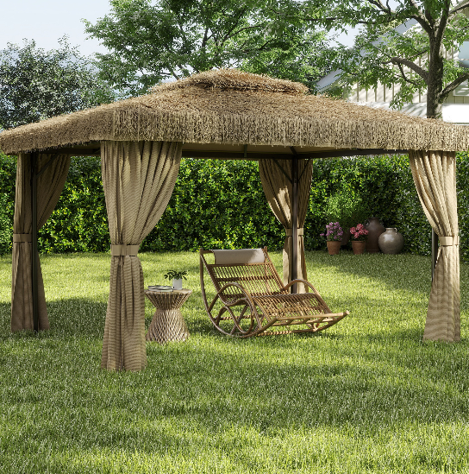 | 120 | New Jersey | 75 | WPNJ4 | 35 E Park Dr,Westampton,NJ,08060
 |  |  | 120 | Texas | 60 | WPHOU4

