Sheet1
*产品图片 | *外包装图片 | Inventory | SALE PRICE 清货价（USD) | *AMAZON PRICE平台售价 | Reasons for unsalable sales放弃销售的原因
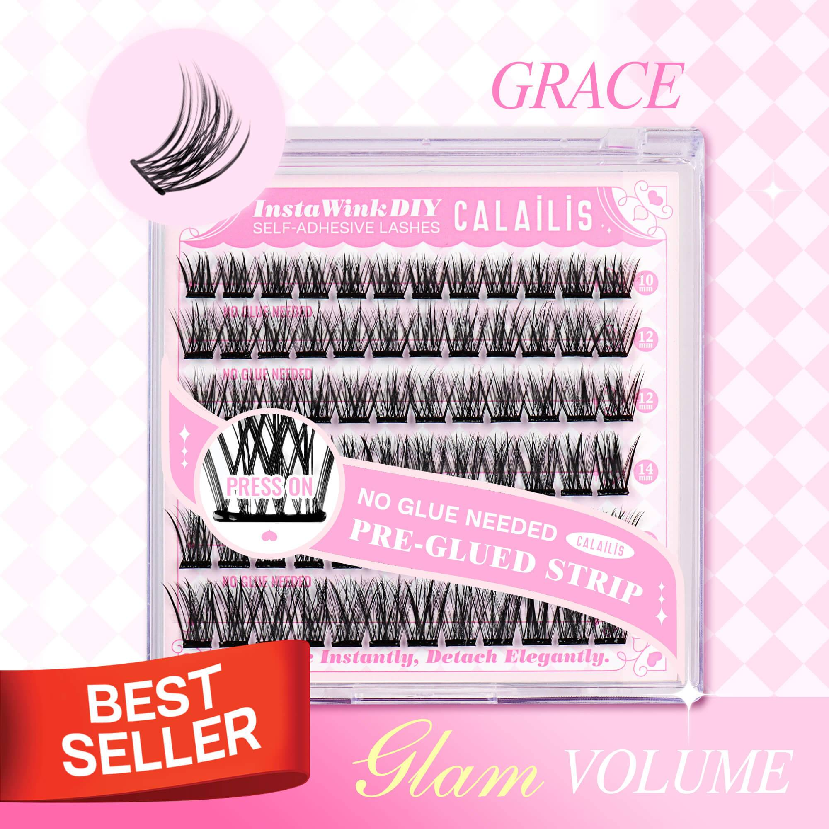 |  | 750 | 1.3 | 9.99 | Spring water
 |  | 290 |  | 9.99
 |  | 231 |  | 9.99
 |  | 138 |  | 9.99
 |  | 123 |  | 9.99
 |  | 108 |  | 9.99
 |  | 108 |  | 9.99
 |  | 99 |  | 9.99
 |  | 99 |  | 9.99
 |  | 97 |  | 9.99
 |  | 92 |  | 9.99
 |  | 89 |  | 9.99
 |  | 83 |  | 9.99
 |  | 73 |  | 9.99
 |  | 70 |  | 9.99
 |  | 65 |  | 9.99
 |  | 62 |  | 9.99
 |  | 60 |  | 9.99
 |  | 58 |  | 9.99
 |  | 56 |  | 9.99
 |  | 55 |  | 9.99
 |  | 54 |  | 9.99
 |  | 53 |  | 9.99
 |  | 51 |  | 9.99
 |  | 50 |  | 9.99
 |  | 49 |  | 9.99
 |  | 47 |  | 9.99
 |  | 45 |  | 9.99
 |  | 45 |  | 9.99
 |  | 44 |  | 9.99
 |  | 42 |  | 9.99
 |  | 40 |  | 9.99
 |  | 39 |  | 9.99
 |  | 37 |  | 9.99
 |  | 36 |  | 9.99
 |  | 35 |  | 9.99
 |  | 33 |  | 9.99
 |  | 33 |  | 9.99
 |  | 32 |  | 9.99
 |  | 29 |  | 9.99
 |  | 24 |  | 9.99
 |  | 19 |  | 9.99
 |  | 1 |  | 9.99
 |  | 3644

