清货资料填写
产品名称 Product | 产品图片 picture | 产品ASIN码 | Inventory. | Capacity. | 产品售价 AMAZON PRICE | 外包装图 | 亚马逊销售链接（如被下架请补上相似链接并注明） AMAZON LINK
Towel Warmer | 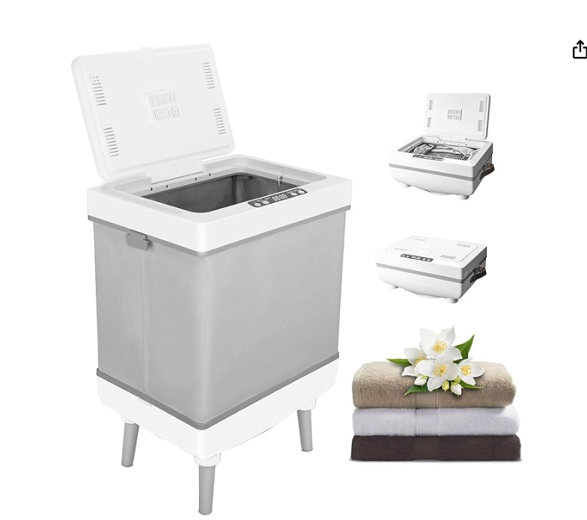 | B0FHKPFT3N | 384 | 12L | 89.99 |  | https://www.amazon.com/dp/B0FHKPFT3N?th=1
Towel Warmer | 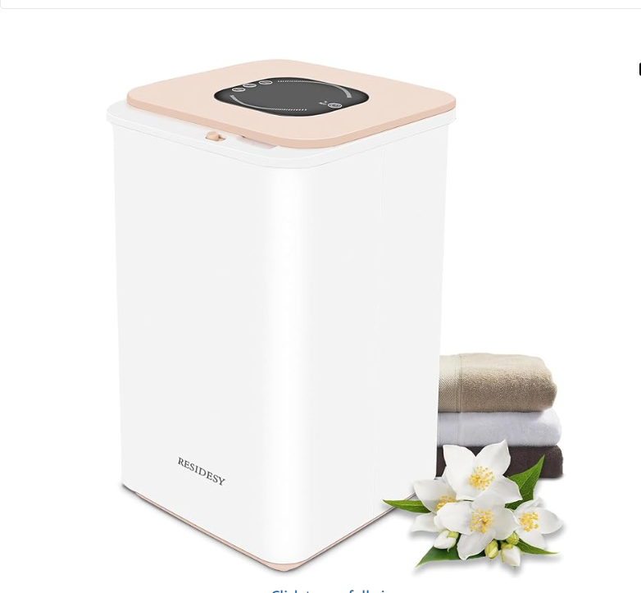 | B0FHKLSBW6 | 185 | 20L | 98.99 | 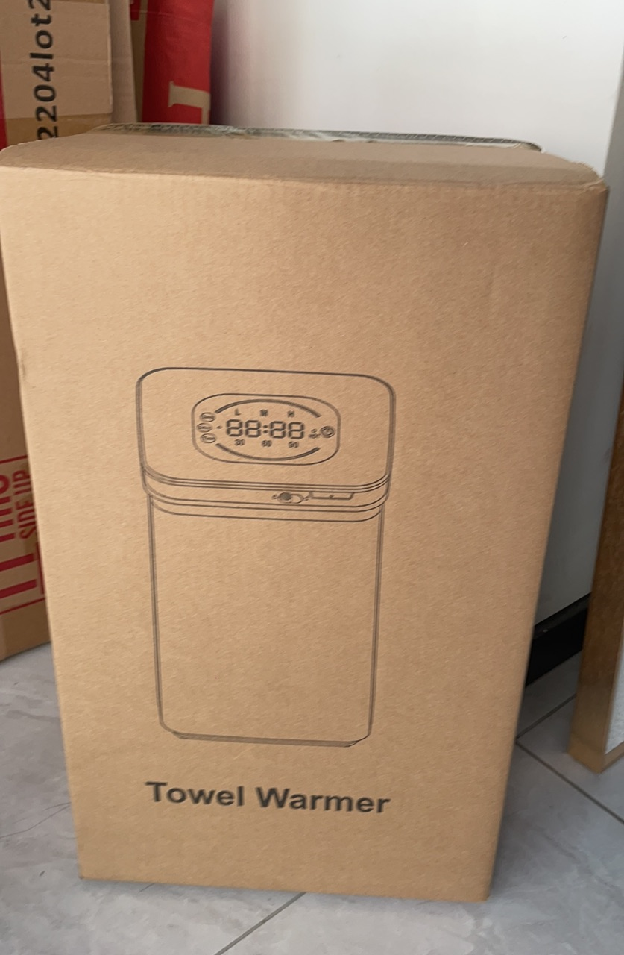 | https://www.amazon.com/dp/B0FHKPFT3N?th=1
Towel Warmer | 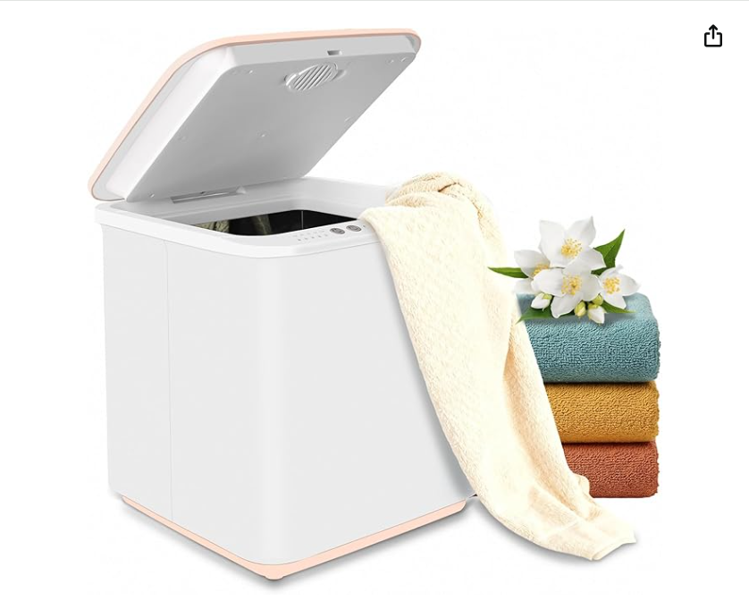 | B0FHKNYM28 | 331 | 35L | 89.99 |  | https://www.amazon.com/dp/B0FHKPFT3N?th=1
 |  | 总计 | 900

