url_redirects_template-DXnkEuOW
型号 | 数量 | 包材 | 实物颜色 | 链接
GST4CP001- The first - generation of Wind Runner.pro-Black. | 2166 | 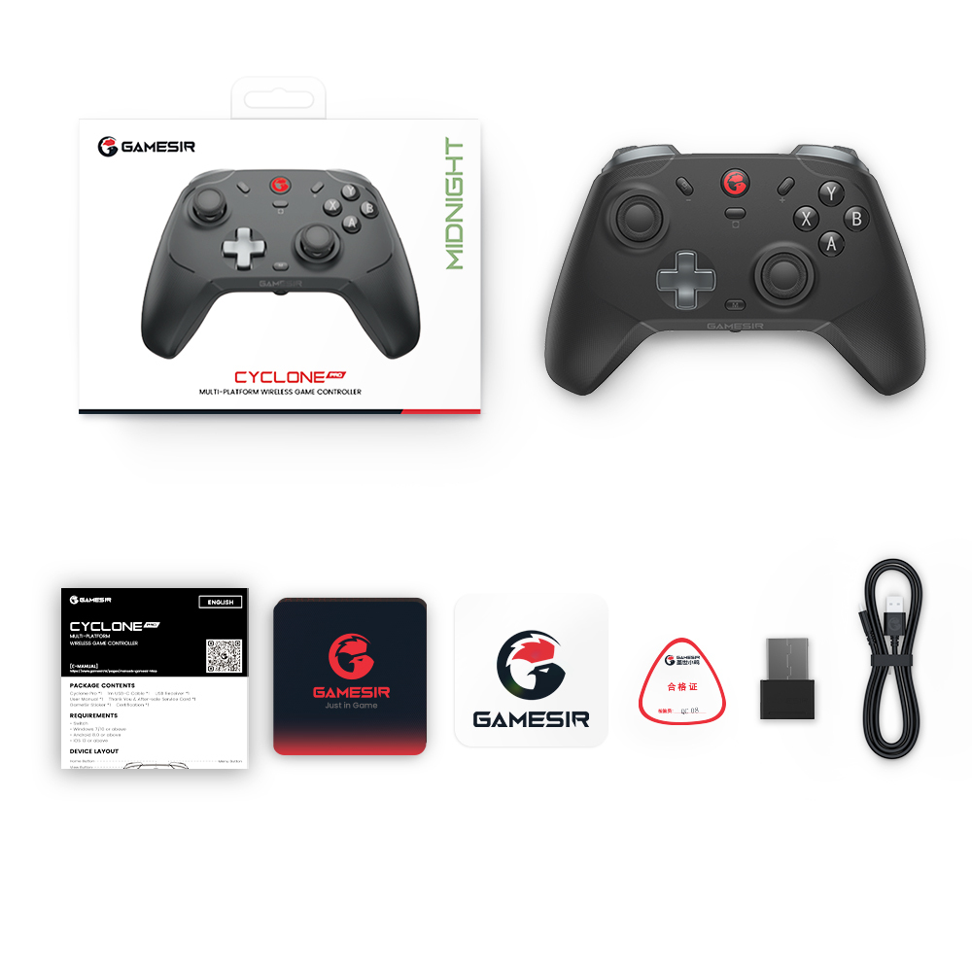 | 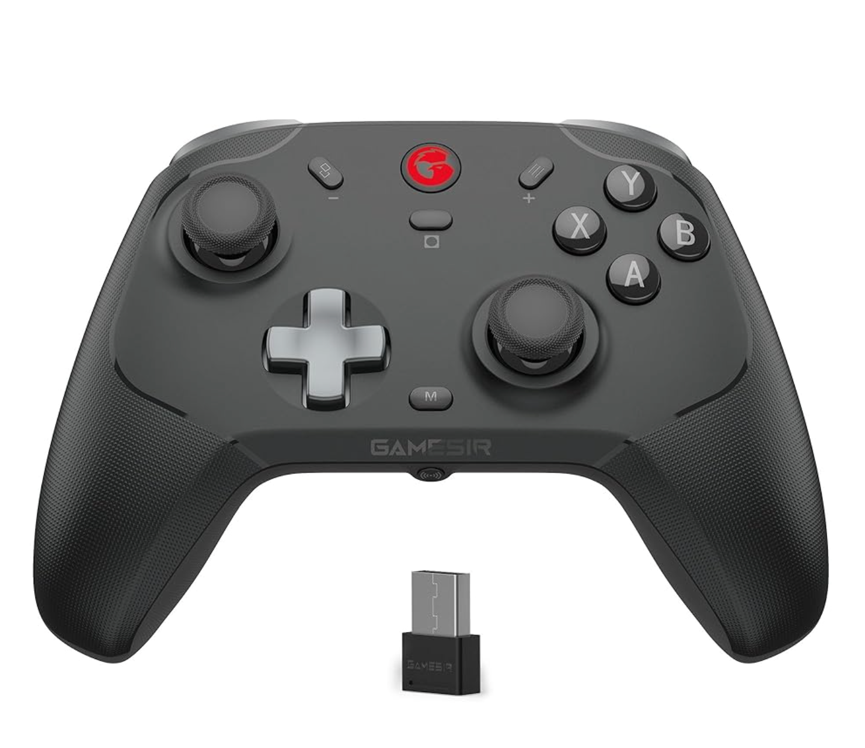 | https://www.amazon.com/GameSir-Wireless-Controller-Switch-Drifting-Nintendo/dp/B0CDX449NJ/ref=sr_1_8?crid=26P3LOZ9LN9C3&dib=eyJ2IjoiMSJ9.PPU3t9wm8cJE_pyaP2om76dumV6XuhrjuBRfmXFtpAhnqVvObP7pwMeJXwtqEQJed1dcS7p3jX-RVumVwGesvFXfnADHOLgV5UsYrBy78k5WZUKlld38SgX209B6ZQ1Vo0s6xJRUOh7wKwJmF_f4bdlCsEKxHs8Vh19Ifxf-Va1cRioweN4v3clN6TotLTMcooiG8zGIEfMCx68eVxhAZ23bsGCD6OPwRgybM0Q8aM8.--vgdYgD2H9cDd8ZCPQuKClHijDTaSKDE9xzFbvUTcM&dib_tag=se&keywords=gamesir+cyclone&qid=1757663338&sprefix=gamesircyclone+%2Caps%2C382&sr=8-8 | Package Size: 160*84*118 mm Gross Weight: 387 g /0.85 lbs
GST4C001- 风行者一代-White. | 829 | 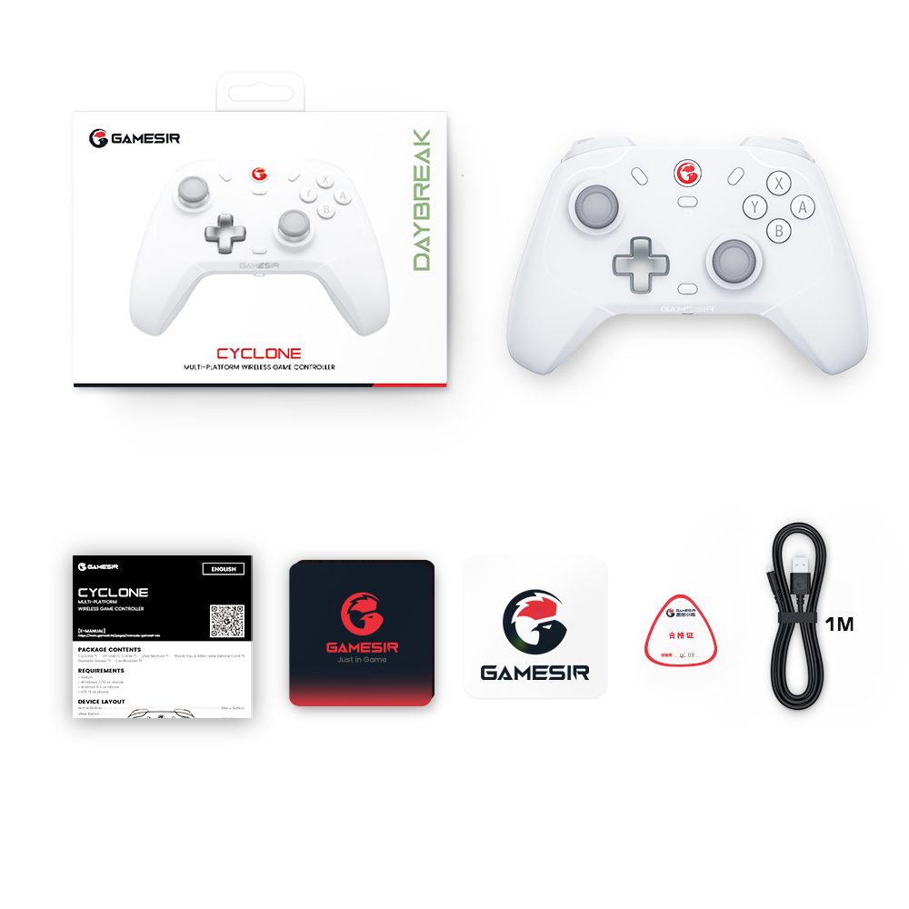 | 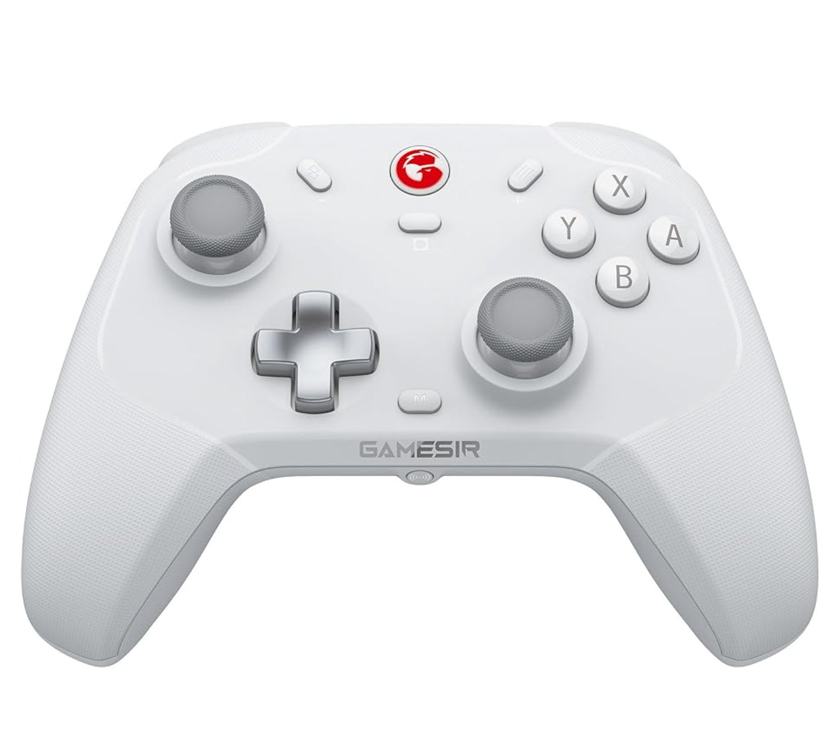 | https://www.amazon.com/GameSir-Wireless-Controller-PC-Triggers-Programmable/dp/B0CF9DNXBV/ref=sr_1_8?crid=7FS0GJ0O49GG&dib=eyJ2IjoiMSJ9.DmKXrtPWYE2pFXIXG6vo33iNx0Ad7khCJPNLeC7BbUV7hWR4qvofhpLCX9HMmabBb_KePLLG2p0XuLQFNXEk-1mGT_7zqIaMt1o6XJImO1k_qklkO0dZxCNXllgR5TZPc3FVR3MZyb1zPpHNqQMwLPOgi3x2hiL-aSzpDTtvXjFuOHYjqga07CBHMNjpWGQAMwRjTW33hLPBv_V5VlKwZ_PN64HzRKCzZVcPGmZtU60.jfvYhekKX4ettrGWhOS8BPXiIX8t0tixOi8xAIHxOuE&dib_tag=se&keywords=gamesir+t4&qid=1757663448&sprefix=gamesir+t4%2Caps%2C448&sr=8-8
GST4N002-nova一代-Cyber blue. | 1082 | 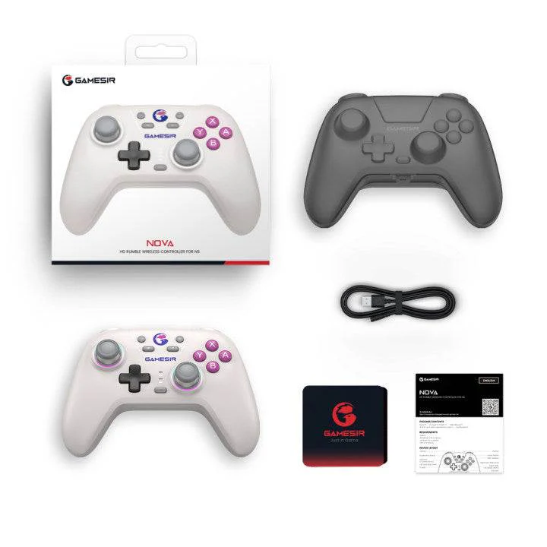 | 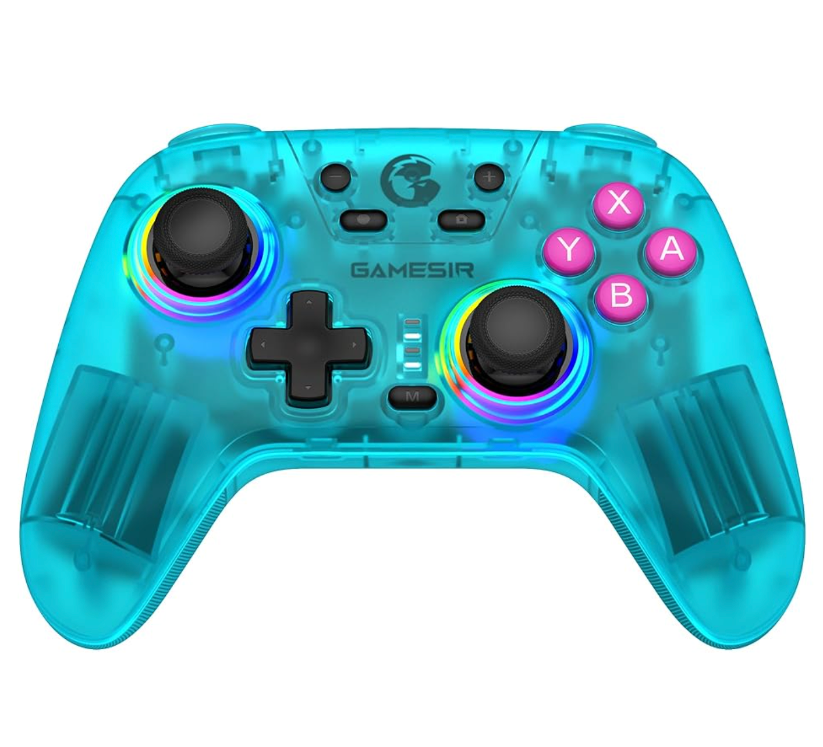 | https://www.amazon.com/GameSir-Controller-Controllers-Rechargeable-Programmable/dp/B0CMCQ3684/ref=sr_1_6?crid=28RO8P6FW9XEC&dib=eyJ2IjoiMSJ9.cSq6oY3GJPvYMO2krzIjVije6MlW9L4Etp-Ag06cavpEI0twEM5fnDgATSUyeLQVyvQucaGzsf76lSOkG9z-RTZM4hznhAl8UCXI7r6f9bUBParS0gKNZRDuJHkForhIH7LoF9UzbEUxDDrXPE0VCMu3YTiKJZAqxh3MM4akWIzF-nVMIjMlSmgo7QLcLMkho_kt_63RnIORomiwZG7fcLRFbNcK0TSxSvThZ777sHw.C35eihfZeF31R8wOHPBLJoDxudQyWulbuJptYrbEko4&dib_tag=se&keywords=gamesir+nova&qid=1757663469&sprefix=gamesir+nova%2Caps%2C500&sr=8-6
GST4NLW003-启明星-White. | 1762 | 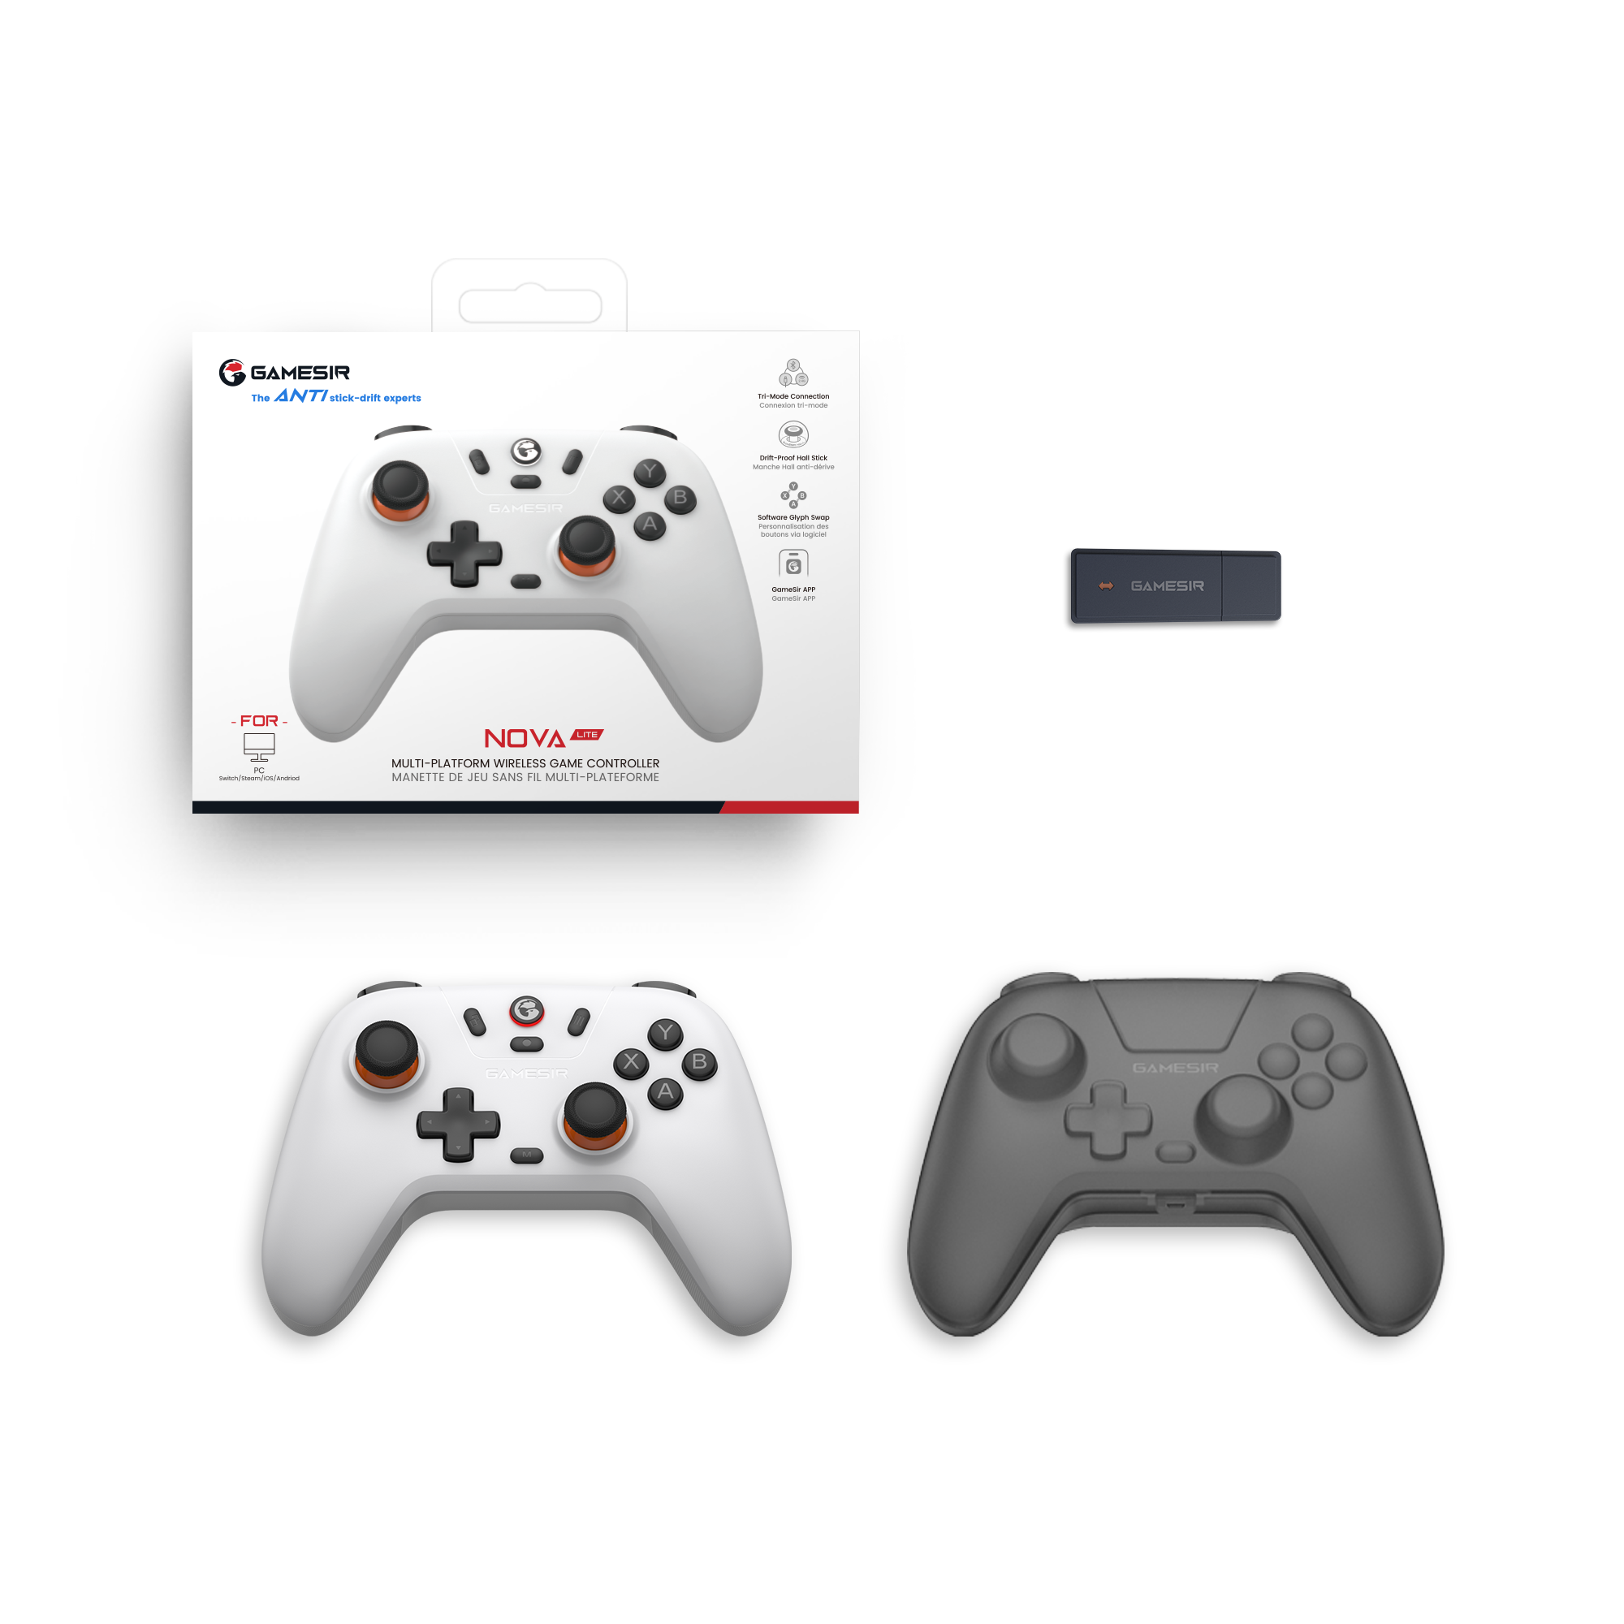 | 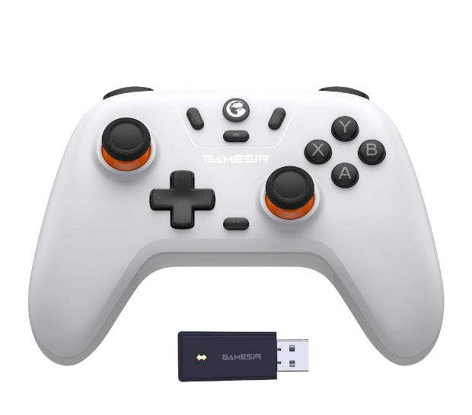 | https://www.amazon.com/Wireless-Controller-Switch-Bluetooth-Vibration-Nintendo/dp/B0CMCPY4VG/ref=pd_sim_d_sccl_1_5/140-1942022-3581457?pd_rd_w=nRPOI&content-id=amzn1.sym.fc475966-e837-48fc-9ed0-f4ca6ae9337b&pf_rd_p=fc475966-e837-48fc-9ed0-f4ca6ae9337b&pf_rd_r=K4FWM6FRCVVFXC0J9H94&pd_rd_wg=cBXfR&pd_rd_r=95272132-6a20-43c3-b56d-93fb02f2f902&pd_rd_i=B0CMCPY4VG&psc=1
Total quantity. | 5839

