清库存清单
*Product 品名 | picture图片* | Link链接* | Package Dimensions包装尺寸 | 产品包装图 | 海外仓CA
白色大号洗衣篮 +large white laundry basket | 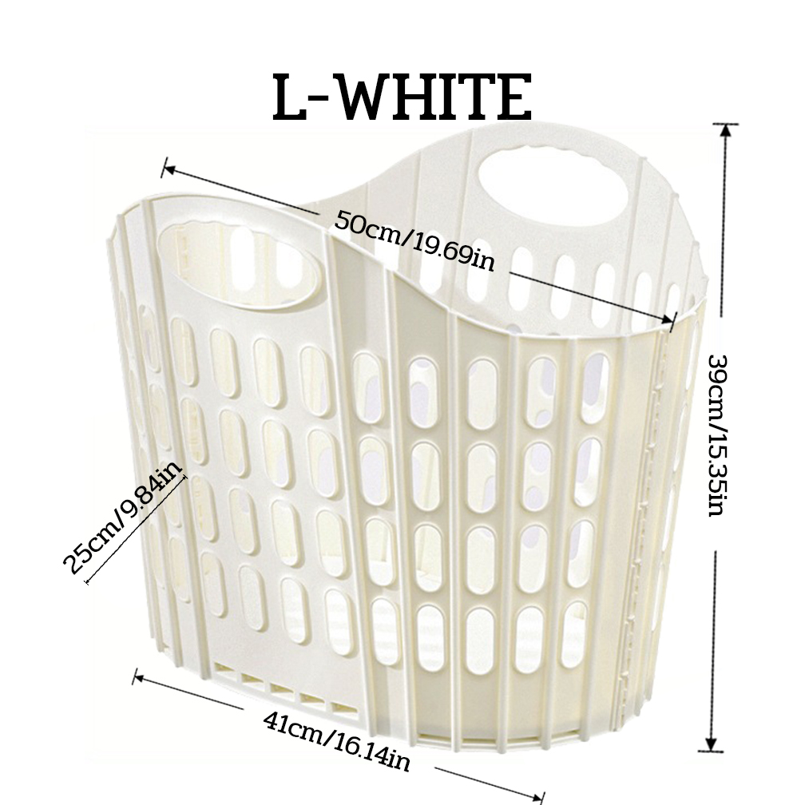 | https://www.amazon.com/dp/B098NWHJWK/ref=twister_B098NXMN33?_encoding=UTF8&th=1 | 65.5*41.5*4.5 |  | 243
粉色大号洗衣篮 +large pink laundry basket | 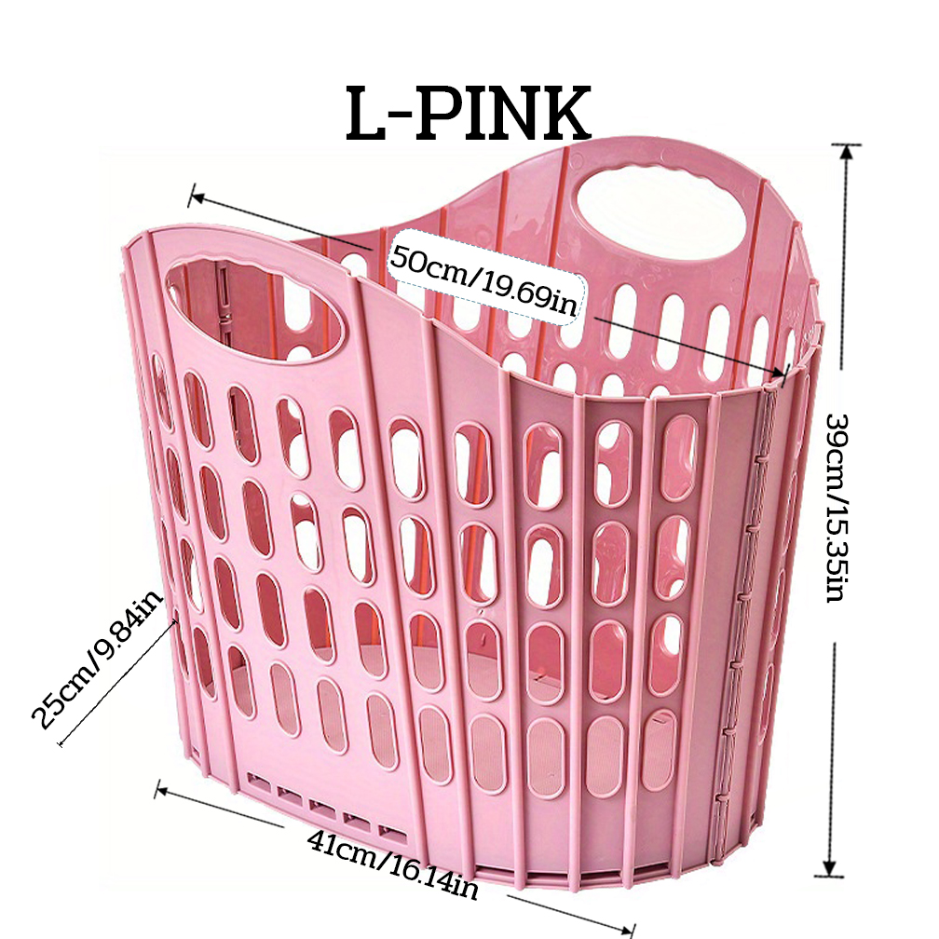 | https://www.amazon.com/dp/B098NWHJWK/ref=twister_B098NXMN33?_encoding=UTF8&th=1 | 65.5*41.5*4.5 |  | 59
灰色大号洗衣篮 +large gery laundry basket | 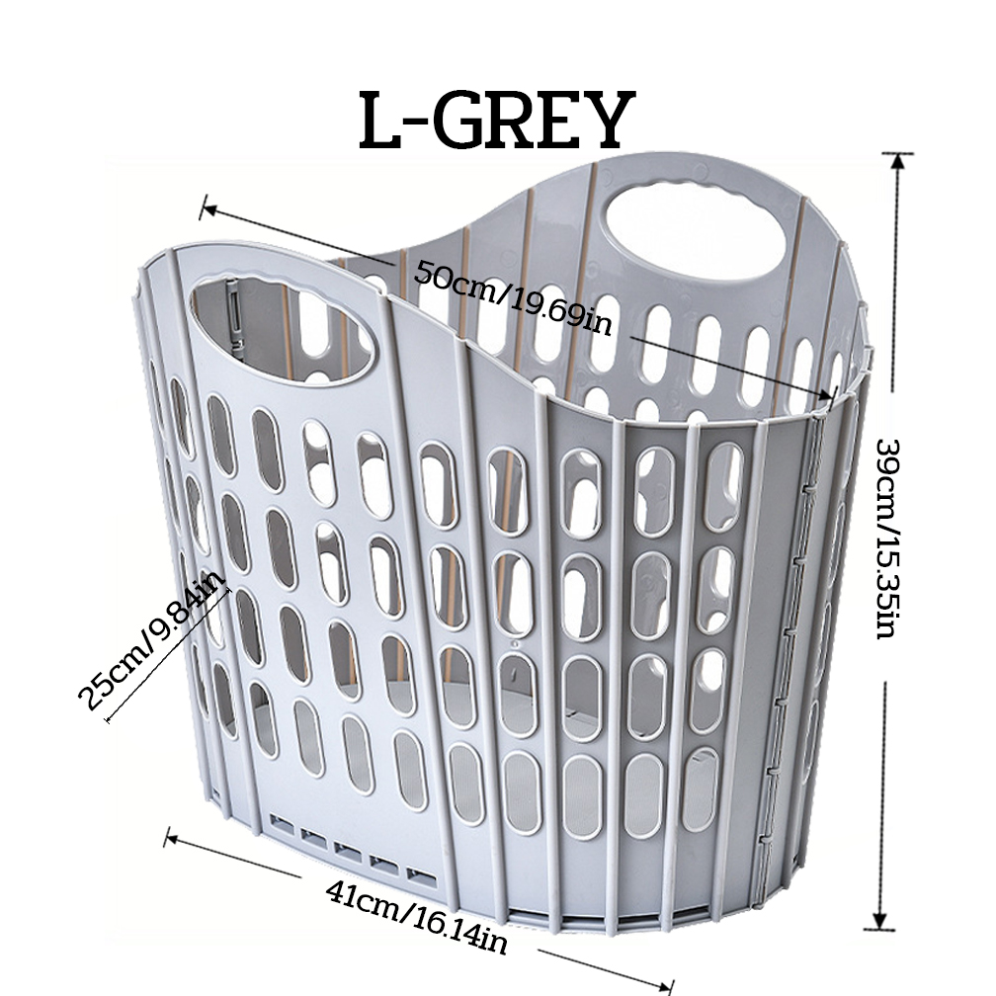 | https://www.amazon.com/dp/B098NWHJWK/ref=twister_B098NXMN33?_encoding=UTF8&th=1 | 65.5*41.5*4.5 |  | 336
蓝色大号洗衣篮 +large blue laundry basket | 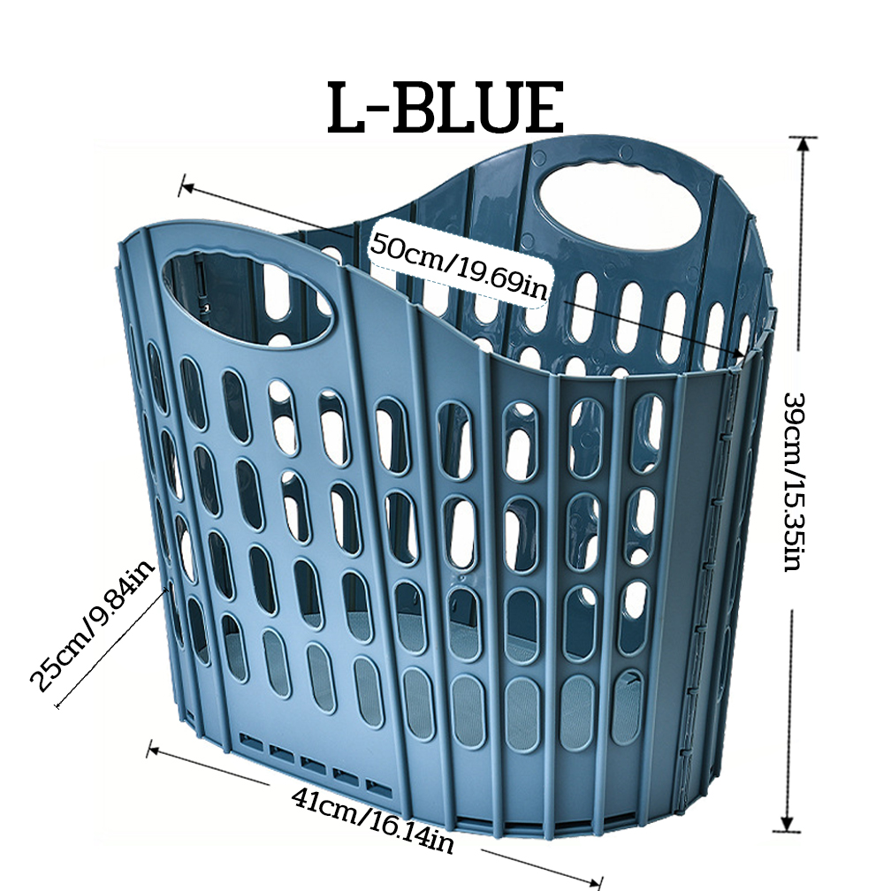 | https://www.amazon.com/dp/B098NWHJWK/ref=twister_B098NXMN33?_encoding=UTF8&th=1 | 65.5*41.5*4.5 |  | 239
白色中号洗衣篮 +medium white laundry basket | 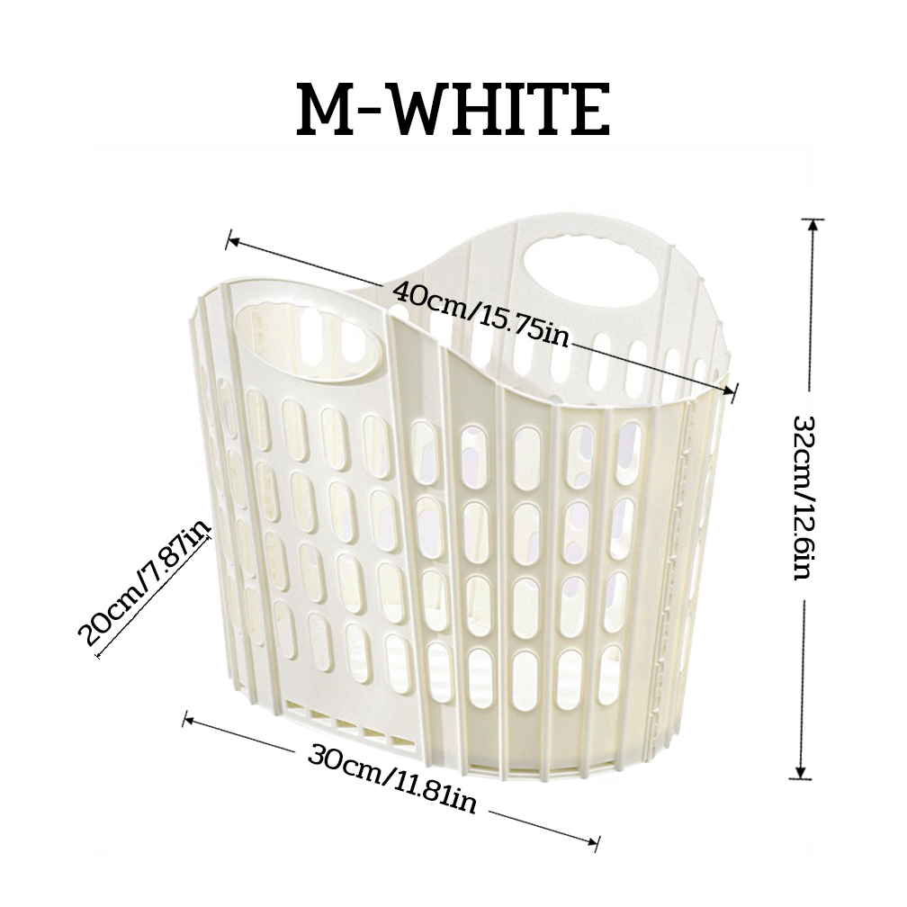 | https://www.amazon.com/dp/B0F9KMYQN3/ref=mweb_up_am_fl_st_na_un_up_sm_web?th=1 | 50.50*33.50*2.80 |  | 248
粉色中号洗衣篮 +medium pink laundry basket | 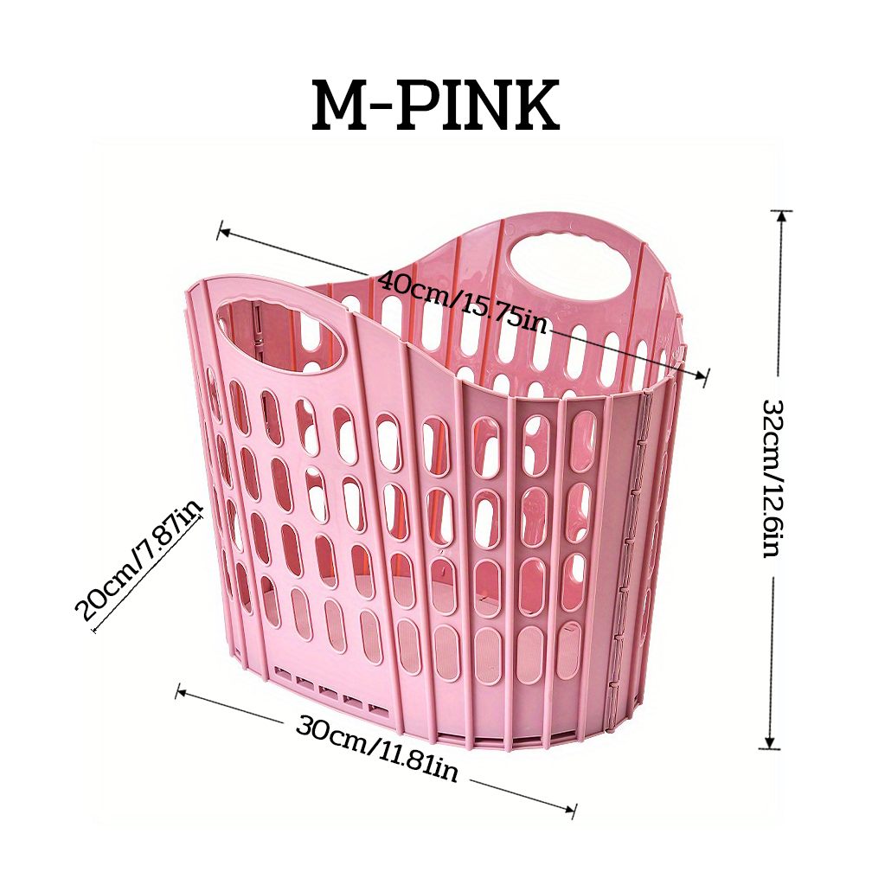 | https://www.amazon.com/dp/B0F9KMYQN3/ref=mweb_up_am_fl_st_na_un_up_sm_web?th=1 | 50.50*33.50*2.80 |  | 65
灰色中号洗衣篮 +medium gery laundry basket | 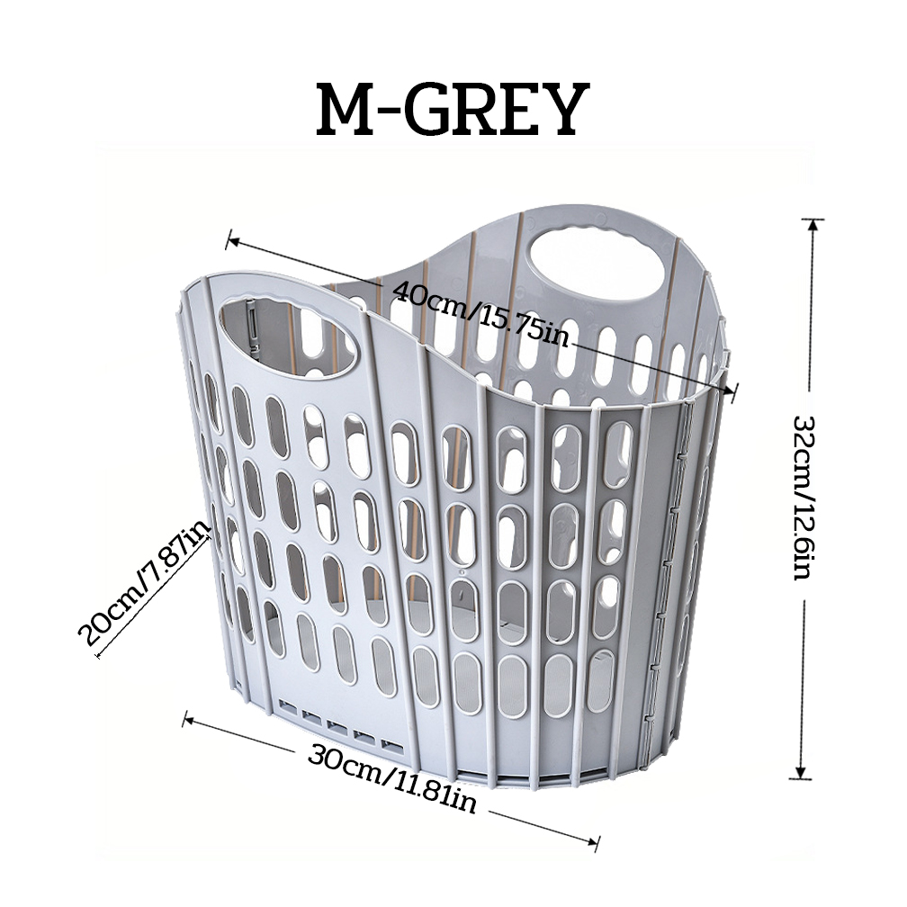 | https://www.amazon.com/dp/B0F9KMYQN3/ref=mweb_up_am_fl_st_na_un_up_sm_web?th=1 | 50.50*33.50*2.80 |  | 337
蓝色中号洗衣篮 +medium blue laundry basket | 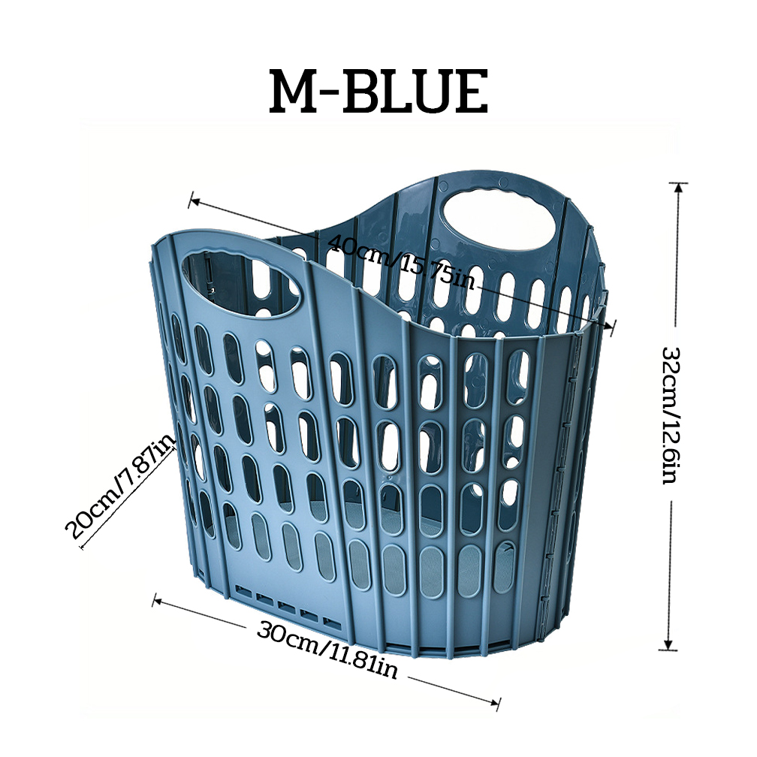 | https://www.amazon.com/dp/B0F9KMYQN3/ref=mweb_up_am_fl_st_na_un_up_sm_web?th=1 | 50.50*33.50*2.80 |  | 247
 |  |  |  |  | 1774

